Sheet1
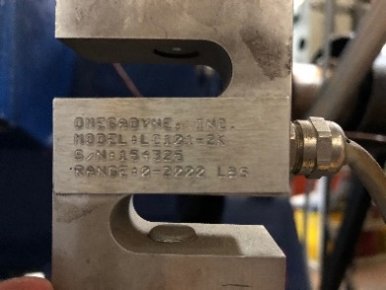
 | Load Cell Calibration
 | Cummins/Cat Dyno Load Cell
 | Dead Weight Calibration
 | OMEGADYNE Model No. LC101-2k
 | S/N: 154325
 | Range: 0-2000lbf

 | Date: | 2021-06-10
 | Initials: | P.L.

 | References
 | CFR §1065.303, §1065.310, §1065.602

 | Constants
 | Cal Arm Total Length [m] | 0.9548
 | Cal Arm C.G. [m] | 0.1621
 | Cal Arm mass [kg] | 12.925
 | Plate mass [kg] | 90.72 | (200lbs)
 | Local gravity [m/s2] | 9.79733
 | Centerline-to-loadcell [m] | 0.6112
 | Candidate Curve
 | Both Sides
 | Intercept, a0 | -1.521
 | Slope, a1 | 1.001 | 0.98 : 1.02
 | SEE | 2.20 | =< 2%*Tmax | 40
 | r^2 | 1.000 | => 0.990
 | xmin(a1-1)+a0 | 1.521 | =< 1%*Tmax | 20

 | Compression Side
 | Intercept, a0 | -3.257
 | Slope, a1 | 1.000 | 0.98 : 1.02
 | SEE | 2.53 | =< 2%*Tmax
 | r^2 | 1.000 | => 0.990
 | xmin(a1-1)+a0 | 3.257 | =< 1%*Tmax

 | Tension Side
 | Intercept, a0 | 0.835
 | Slope, a1 | 0.999 | 0.98 : 1.02
 | SEE | 1.99 | =< 2%*Tmax
 | r^2 | 1.000 | => 0.990
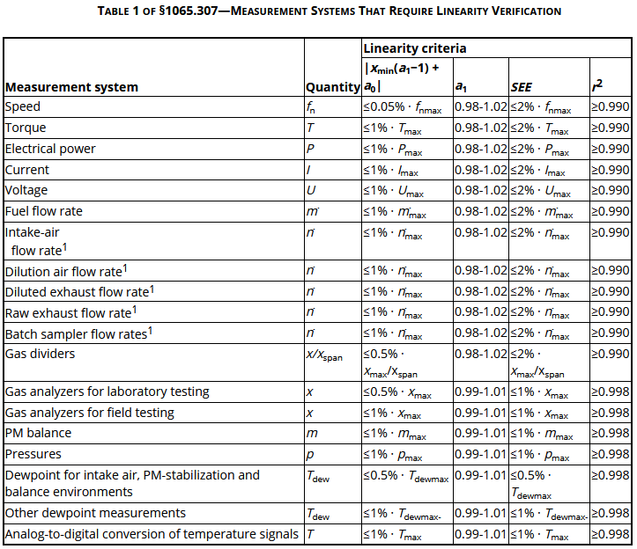
 | xmin(a1-1)+a0 | 0.835 | =< 1%*Tmax |  |  |  |  |  |  | for reference
 |  |  |  |  |  |  | 1% of Tmax = 20Nm

 | Dead Weights | Mass (enter value) | Actual Torque, y_ref | Display Torque, y_i (enter value) | % Error | Linearized | Lin. Error | % Lin. Error | SumSq | Load Cell Force | Hung Weight
 |  | kg | Nm | Nm |  | Nm | Nm | % |  | N | N
Compression (north) | Zero | 0.0 | 0.0 | 0.0 | #DIV/0! | -1.5 | -1.5 | #DIV/0! | 2.31 | 0 | 0
 | cal arm | 12.9 | -100.4 | -96.0 | -4.4% | -97.6 | 2.8 | -2.8% | 7.79 | -164 | -105
 | hanger | 22.6 | -312.2 | -306.0 | -2.0% | -307.7 | 4.4 | -1.4% | 19.49 | -511 | -327
 | #4 | 45.1 | -734.2 | -728.0 | -0.8% | -730.0 | 4.2 | -0.6% | 17.45 | -1201 | -769
 | #4,3 | 44.9 | -1153.9 | -1150.0 | -0.3% | -1152.3 | 1.6 | -0.1% | 2.58 | -1888 | -1209
 | #4,3,2 | 45.2 | -1576.6 | -1573.0 | -0.2% | -1575.6 | 1.0 | -0.1% | 1.01 | -2580 | -1651
 | #4,3,2,1 | 45.3 | -2000.8 | -2000.0 | 0.0% | -2003.0 | -2.1 | 0.1% | 4.48 | -3274 | -2096
 | #4,3,2 | 45.2 | -1576.6 | -1576.0 | 0.0% | -1578.6 | -2.0 | 0.1% | 4.00 | -2580 | -1651
 | #4,3 | 44.9 | -1153.9 | -1152.0 | -0.2% | -1154.3 | -0.4 | 0.0% | 0.16 | -1888 | -1209
 | #4 | 45.1 | -734.2 | -732.0 | -0.3% | -734.0 | 0.2 | 0.0% | 0.03 | -1201 | -769
 | hanger | 22.6 | -312.2 | -308.0 | -1.3% | -309.7 | 2.4 | -0.8% | 5.82 | -511 | -327
 | cal arm | 12.9 | -100.4 | -97.0 | -3.4% | -98.6 | 1.8 | -1.8% | 3.20 | -164 | -105
 | Zero | 0.0 | 0.0 | 0.0 | #DIV/0! | -1.5 | -1.5 | #DIV/0! | 2.31 | 0 | 0
Tension (south) | cal arm | 12.9 | 100.4 | 99.0 | -1.4% | 97.5 | -2.8 | -2.8% | 8.01 | 164 | 105
 | hanger | 22.6 | 312.2 | 311.0 | -0.4% | 309.7 | -2.5 | -0.8% | 6.02 | 511 | 327
 | #4 | 45.1 | 734.2 | 733.0 | -0.2% | 732.0 | -2.2 | -0.3% | 4.91 | 1201 | 769
 | #4,3 | 44.9 | 1153.9 | 1155.0 | 0.1% | 1154.3 | 0.4 | 0.0% | 0.13 | 1888 | 1209
 | #4,3,2 | 45.2 | 1576.6 | 1577.0 | 0.0% | 1576.6 | 0.0 | 0.0% | 0.00 | 2580 | 1651
 | #4,3,2,1 | 45.3 | 2000.8 | 2001.0 | 0.0% | 2000.9 | 0.1 | 0.0% | 0.01 | 3274 | 2096
 | #4,3,2 | 45.2 | 1576.6 | 1579.0 | 0.1% | 1578.6 | 2.0 | 0.1% | 3.84 | 2580 | 1651
 | #4,3 | 44.9 | 1153.9 | 1156.0 | 0.2% | 1155.3 | 1.4 | 0.1% | 1.84 | 1888 | 1209
 | #4 | 45.1 | 734.2 | 735.0 | 0.1% | 734.0 | -0.2 | 0.0% | 0.05 | 1201 | 769
 | hanger | 22.6 | 312.2 | 311.0 | -0.4% | 309.7 | -2.5 | -0.8% | 6.02 | 511 | 327
 | cal arm | 12.9 | 100.4 | 99.0 | -1.4% | 97.5 | -2.8 | -2.8% | 8.01 | 164 | 105
 | Zero | 0.0 | 0.0 | 0.0 | #DIV/0! | -1.5 | -1.5 | #DIV/0! | 2.31 | 0 | 0

